6mA-mouse-Feng dataset
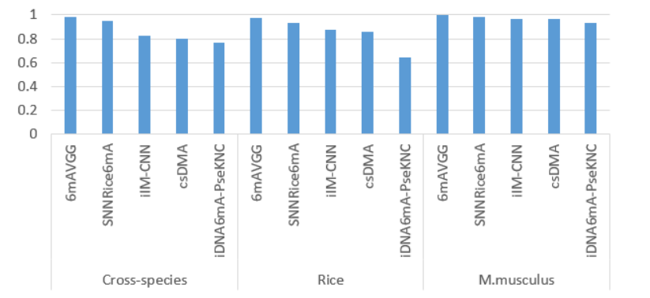
6mA-mouse-Feng dataset
Source paper | Feng, P., Yang, H., Ding, H., Lin, H., Chen, W., Chou, K.-C. (2019). iDNA6mA-PseKNC: identifying DNA N6-methyladenosine sites by incorporating nucleotide physicochemical properties into PseKNC. Genomics 111, 96–102. doi: 10.1016/j.ygeno.2018.01.005
Download link | http://lin-group.cn/server/iDNA-6mA/data
Organism | M. musculus
Level | DNA
Length | 41
Positive data | 1934
Negative data | 1934
DL paper used this data | P2 | SNNRice6mA | 2019-10-11 | P2
 | P11 | A deep learning-based computational approach for discrimination of DNA N6-methyladenosine sites by fusing heterogeneous features | 2020-09-04 | We evaluated the performance of SNNRice6mA, which was trained on rice 6mA-rice-Lv dataset, on the M. musculus test data.
 | P15 | 6mA-Pred | 2021-02-03 | We found that SNNRice6mA achieved predicted accuracy of 61.81%, which was higher than those of the other three methods (52.43% for i6mA-Pred, 41.93% for iDNA6mA, 44.11% for MM-6mAPred).
 | P24 | 6mAVGG | 2020-10-06 | P11

 |  |  |  | P15

 |  |  |  | P24

6mA-rice-Chen dataset
6mA-rice-Chen dataset
Source paper | Chen, W., Lv, H., Nie, F., and Lin, H. (2019). i6mA-Pred: identifying DNA N6-methyladenine sites in the rice genome. Bioinformatics. 35, 2796–2800.
Download link | http://lin-group.cn/server/i6mAPred/benchmark.zip
Organism | Rice
Level | DNA
Length | 41 bp
Positive data | 880
Negative data | 880
DL paper used this data | P2 | SNNRice6mA | 2019-10-11 | P2
 | P4 | iRicem6A-CNN | 2021-01-21
 | P7 | Deep6mA | 2021-01-18
 | P11 | A deep learning-based computational approach for discrimination of DNA N6-methyladenosine sites by fusing heterogeneous features | 2020-09-04
 | P14 | i6mA-CNN | 2021-05-14
 | P17 | 6mAPred-MSFF | 2021-08-22
 | P18 | GC6mA-Pred | 2022-01-09
 | P24 | 6mAVGG | 2020-10-06

 |  |  |  | P4
 |  |  |  | just for testing
 |  |  |  | P7

 |  |  |  | P11

 |  |  |  | P14
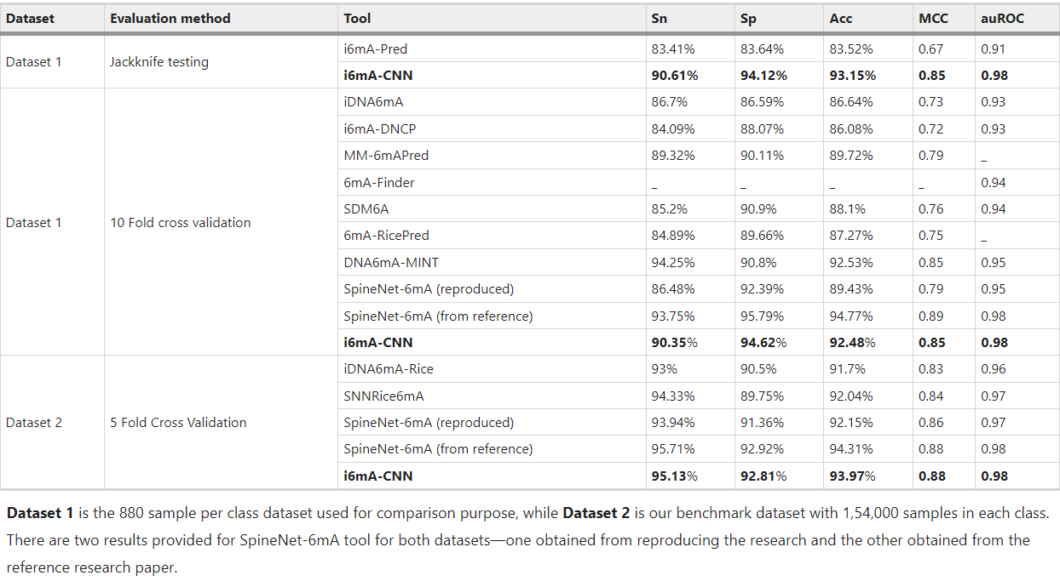

 |  |  |  | P17

 |  |  |  | P18 | just for testing
 |  |  |  | P24

